1. Title Page
[Instacart Grocery Basket Analysis]

Project Name: Instacart Grocery Basket Analysis - Insights into our customers, regions, sales, and more!
Date: July 9th
Analyst Name: Javi Ramirez

Contents:
Data Citation
Population Flow
Consistency checks
Wrangling steps
Column derivations
Visualizations
Recommendations

2. Data Citation
 | Title page
Data Citation

“The Instacart Online Grocery Shopping Dataset 2017”, Accessed from https://www.instacart.com/datasets/grocery-shopping-2017 on June 02, 2021

Additional Information:
Product prices and customer data set have been artificially enriched for learning purposes.

3. Population Flow
Title page

Population flow

Exclusion flag
Condition: 'max_order' if value <= 5
Obervations to be removed: 1,485,146
Final total count of order_products_all: 31,156,112

Orders_products_combined
Orders_products_merged
Orders_products_all

Total rows: 32,641,268
Total rows: 32,640,698
Total rows: 32,641,268

1.) The grey boxes in the first row of the population flow represent the original data sets as they were when you downloaded them. In the Total fields you need to add the count of the rows when you imported the data set into Jupyter.
2.) The second row of boxes (coloured) represents the data sets after you manipulated them, e.g., removed missing values and duplicates. In the Total fields you need to add the count of the rows after conducting these operations. This offers a visual oveview of how the data flows throughout the data consistency checks.
3.) The third row, where also the arrows are coloured, represents the merges you performed between the datasets. In the Total fields you need to add the count of the rows in the merged datasets, so that you end up with the final dataset (in the red box). Keep in mind the final dataset should be without exclusions (based on the exclusion flag).

4. Consistency checks
 |  |  |  | Title page
Consistency checks

Dataset | Missing values | Missing values treatment | Duplicates
orders | days_since_prior_order | Created a new column to distinguish customers 1st ever order | None
products | product_name | Missing values were removed from the dataframe | 5 duplicate rows removed
orders_products_prior | None | N/A | None
customers | None | N/A | None
cust_combined[cust_clean] | None | N/A | 30,993,489 duplicate customer information removed

5. Wrangling steps
 |  |  |  | Title page
Wrangling steps

Columns dropped | Columns renamed | Columns' type changed | Comment/Reason
df_ords_final['Unnamed: 0','Unnamed: 0.1', '_merge'] |  |  | These columns were added as the result of a .merge() that are not necessary to our data
df['Exclusion'] |  |  | Column was only needed for removing rows, after code was executed it was no longer needed
df_baby_flag['baby_order_flag'] |  |  | Column no longer needed after we created another column that utilized the same data
df_pet_flag['pet_order_flag'] |  |  | Column no longer needed after we created another column that utilized the same data
 | df_ords.rename['order_dow'] |  | Changed to 'order_day_of_the_week' for clarity of the column
 | cust.rename['First Name'] |  | Changed to 'first_name' for a uniform look
 | cust.rename['Surnam'] |  | Changed to 'last_name' for a uniform look
 | cust.rename['Gender'] |  | Changed to 'gender' for a uniform look
 | cust.rename['STATE'] |  | Changed to 'state' for a uniform look
 | cust.rename['Age'] |  | Changed to 'age' for a uniform look
 | cust.rename['n_dependants'] |  | Changed to 'num_of_dependants' for more clarity
 | cust.rename['fam_status'] |  | Changed to 'family_status' for more clarity
 |  | cust['first_name'] | Checked to ensure dtype was a string

6. Column derivations
 |  |  |  | Title page

Column derivations and aggregations

In this tab you should add tables below that the frequences of flags/label variables that you produced after deriving them. NB: don't do this for continuous variables, only for flags.
Dataset | New column | Column/s it was derived from | Conditions
Orders_Products_Merged | price_range_loc' | prices' | Basing Low,Mid,High range products based off of their price points
Orders_Products_Merged | max_order' | order_number'.np(max) | Counting max number of order_numbers to create a max_order in order to see how many times a customer has shopped with Instacart
Orders_Products_Merged | loyalty_flag' | max_order' | Basing a customers loyalty with Instacart based on how many orders they have made
Orders_Products_Merged | avg_spent' | prices'.np(mean) | Gathering an average amount spent on a product per single item on an order
Orders_Products_Merged | spender_flag' | avg_spent' | Checking to see if customer is Low/High spender based on average amount spent
Orders_Products_Merged | order_frequency' | days_since_prior_order' | Checking if customer makes frequent orders with us based on how long since their last order
Orders_Products_Merged | frequency_flag' | order_frequency' | Based on their "order frequency" we can determine how frequent our customer will order from instacart
Orders_Products_All | exclusion' | exclusion'/ 'max_order' if value <= 5 | If the value for max_order was = or less than 5, It would be excluded from our set, put on a new table to signify what rows would need to be deleted
Orders_Products_All | parent_category' | num_of_dependants' | Using num_of_dependants we made a slightly more simplified column basing our information off that column to make a new column claiming the customer was a parent and to what level based on dependant number
Orders_Products_All | baby_shopper' | baby_order_flag' | df_baby_flag = df_2.groupby('user_id').agg({'baby_order_flag' : 'sum'}) ; I aggregated the sum count of the flag in order create a new column utilizing the information summed up
Orders_Products_All | pet_shopper' | pet_order_flag' | df_pet_flag = df_merg.groupby('user_id').agg({'pet_order_flag' : 'sum'}) ; I aggregated the sum count of the flag in order create a new column utilizing the information summed up
Orders_Products_All | income_level' | income' | Using income, we were able to make 3 new groups based off how much income the customer specified

7. Visualizations
 |  |  |  |  |  |  |  |  |  |  |  |  |  |  | Title page

Visualisations

In this tab you should include all the visualtions from Exercises 4.9 and 4.10, alongside the questions from the project brief that they answer. Include any commentary on the relationship between different variables.

1 | 2 | 3 | 4 | 5 | 6 | 7 | 8 | 9 | 0 | 11 | 1 | 2 | 3 | 4 | 5 | 6 | 7 | 8 | 9 | 0 | 11 | 1 | 2 | 3 | 4 | 5 | 6 | 7 | 8 | 9 | 0 | 11 | 1 | 2 | 3 | 4 | 5 | 6 | 7 | 8 | 9 | 0 | 11

 |  |  |  |  | Color Chart of Order Days Of The Week Value Counts |  |  |  |  |  |  |  |  |  |  | Histogram of Product Prices |  |  |  |  |  |  |  |  |  |  | Line Chart of Order Days of the Week by Prices Sold |  |  |  |  |  |  |  |  |  |  | Line Chart of Order Hour of the Day by Price

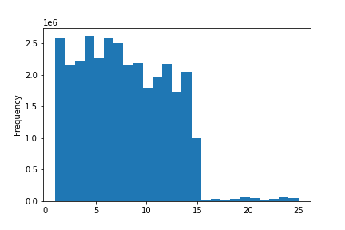
 | Days of the week color coded and shown by Value counts |  |  |  |  |  |  |  |  |  |  | Histogram that shows product prices, as we get past thr $15 mark, we have a drop of |  |  |  |  |  |  |  |  |  |  | Linechart showing order price point on days of the week |  |  |  |  |  |  |  |  |  |  | Linechart showing price points by order hour of the day
 | AS we can see most of our orders come in Saturday/Sunday |  |  |  |  |  |  |  |  |  |  | products that are above $15 |  |  |  |  |  |  |  |  |  |  | Friday and Saturday have the bigest purchase days out of the week |  |  |  |  |  |  |  |  |  |  | Peak price orders are in the beginning of the day, with a huge drop off mid day and
 |  |  |  |  |  |  |  |  |  |  |  |  |  |  |  |  |  |  |  |  |  |  |  |  |  |  |  |  |  |  |  |  |  | picks back up towards the night
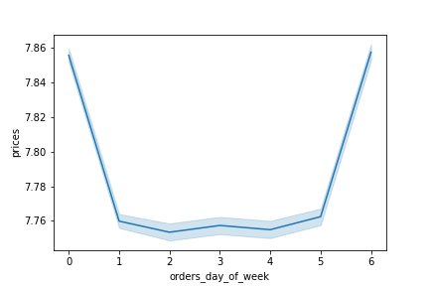
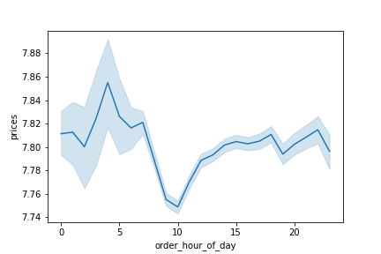
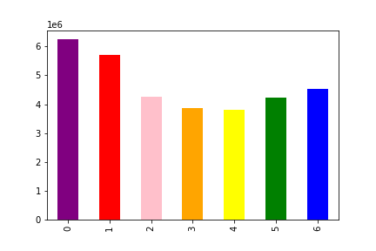

 |  |  |  |  |  |  |  | 0 = Saturday
 |  |  |  |  |  |  |  | 1 = Sunday
 |  |  |  |  |  |  |  | 2 = Monday
 |  |  |  |  |  |  |  | 3 = Tuesday
 |  |  |  |  |  |  |  | 4 = Wednesday
 |  |  |  |  |  |  |  | 5 = Thursday
 |  |  |  |  |  |  |  | 6 = Friday

 |  |  |  |  |  |  |  |  |  |  |  |  |  |  |  | Prices

 |  |  |  |  | Barchart of Loyalty Flag count |  |  |  |  |  |  |  |  |  |  | Histogram of Order Hour of the Day |  |  |  |  |  |  |  |  |  |  | Scatterplot of Income by Age |  |  |  |  |  |  |  |  |  |  | Linechart of Age by Number of Dependants
 |  |  |  |  |  |  |  |  |  |  |  |  |  |  |  |  |  |  |  |  |  |  | Scatterplot showing Income by Age, as we can see the older customers get
 | This barchart shows that a majority of our customers are regulars, they aren't ordering |  |  |  |  |  |  |  |  |  |  | This histogram shows the amount of orders made throughout the hour of a day |  |  |  |  |  |  |  |  |  |  | The more likely they are to have higher incomes |  |  |  |  |  |  |  |  |  |  | Linechart attempting to show correlation between number of dependants and age
 | every other day like our loyal but they are frequent enough to always |  |  |  |  |  |  |  |  |  |  | As we get to afternoon-midday we get the most orders in and then a drop off |  |  |  |  |  |  |  |  |  |  |  |  |  |  |  |  |  |  |  |  |  | As we can see the chart moves wildly indicating no trend
 | be a good source of revenue

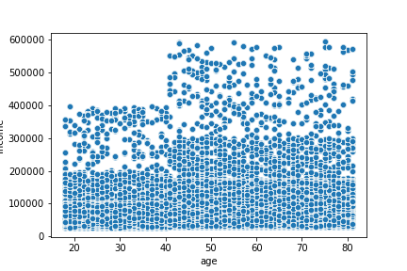
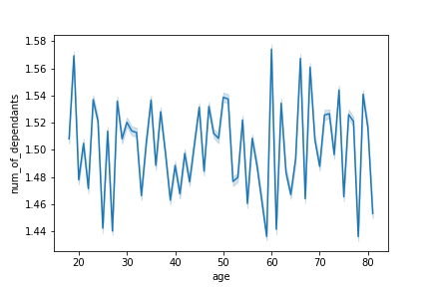
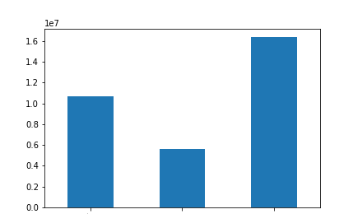

 |  |  |  |  |  |  |  |  |  |  |  |  |  |  |  |  |  |  |  |  |  | Income

 |  | Loyal Customer |  |  | New Customer |  | Regular Customer |  |  |  |  |  |  |  |  | order_hour_of_the_day

 |  |  |  |  | Barchart of Customers who Shop for Baby Goods |  |  |  |  |  |  |  |  |  |  | Barchart of Customers who Shop for Pet Goods |  |  |  |  |  |  |  |  |  |  | Barchart of Customers who are Parents |  |  |  |  |  |  |  |  |  |  | Barchart of Income Levels

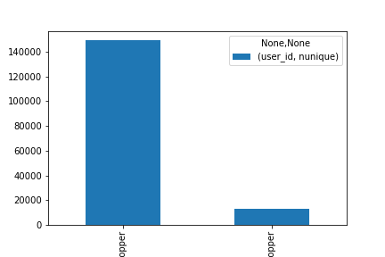
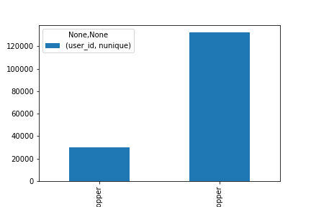
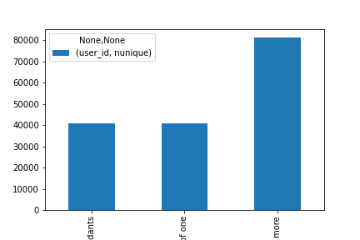
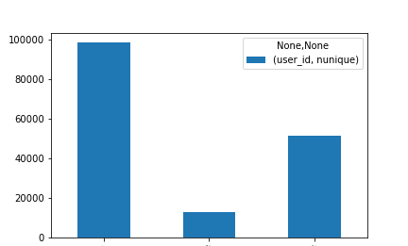

 |  |  | Baby Shopper |  |  | Non Baby Shopper |  |  |  |  |  |  |  | Non Pet Shopper |  |  |  | Pet Shopper |  |  |  |  | No Current Dependants |  |  |  | Parent of one |  | Parent of two or more |  |  |  |  |  | High-Income |  |  | Low_Income |  | Moderate Income

 |  |  |  |  | Side by Side Barchart of Customers who Shop for Baby Goods by Region |  |  |  |  |  |  |  |  |  |  | Side by Side Barchart of Customers who Shop for Pet Goods by Region |  |  |  |  |  |  |  |  |  |  | Stacked Barchart of Customers who are Parents by Region |  |  |  |  |  |  |  |  |  |  | Stacked Barchart of Income Levels Region

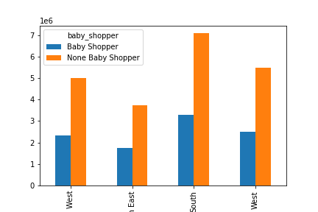
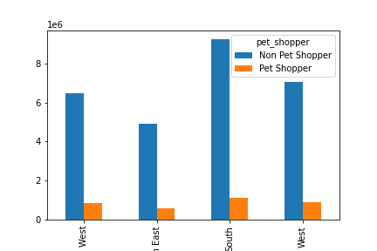
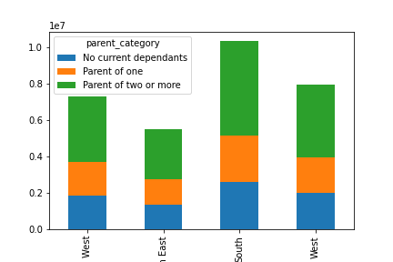
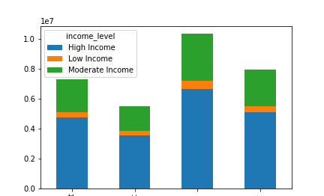

 |  | Mid West |  | North East |  | South |  | West |  |  |  |  | Mid West |  | North East |  | South |  | West |  |  |  |  | Mid West |  | North East |  | South |  | West |  |  |  |  | Mid West |  | North East |  | South |  | West

 |  |  |  |  | Side by Side Barchart of Customers who Shop for Baby Goods by Department_id |  |  |  |  |  |  |  |  |  |  | Side by Side Barchart of Customers who Shop for Pet Goods by Department_id |  |  |  |  |  |  |  |  |  |  | Stacked Barchart of Customers who are Parents by Department_id |  |  |  |  |  |  |  |  |  |  | Stacked Barchart of Income Levels by Department_id
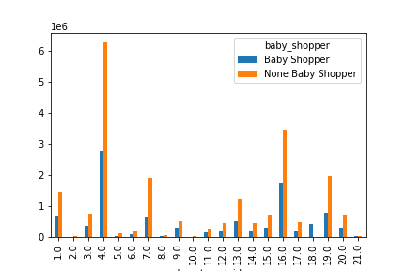
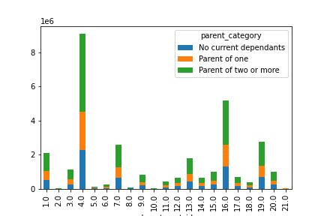
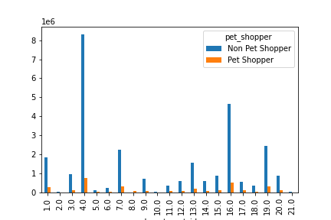
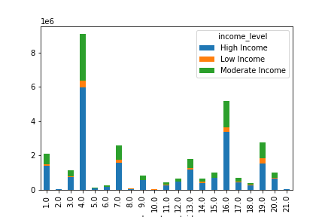

 |  | Across all varients, department_id 4 (Produce Department) is our number 1 department regardless of the various groupings we can apply

 |  | Across all varients, The South always has the largest columns, however when applying statistical data and looking at % based off the whole population, the percent values are strickingly close across all regions

8. Recommendations
 |  |  | Title page

Recommendations

In this tab you should include any recommendations you would made to Instcart in terms of their marketing strategy based on the questions posed in the brief. Every key question has been covered in the Tasks of the Exercises - here you need to add an item - a visualisation or table/crosstable that is showing the answer in the data, acompanied by a comment from you. Please, list the questions below and add the answer underneath.

Question | Answer | Visualization
> The sales team needs to know what the busiest days of the week and hours of the day are (i.e., the days and times with the most orders) in order to schedule ads at times when there are fewer orders. | Saturday, Sunday, Monday have the most orders with Tuesday, Wednseday being the days with least orders. Also from from about noon to mid-day are the heaviest hours, so if we were looking to market and new time slots to draw in more orders, our best bet is to target earlier mornings and weekdays.

> They also want to know whether there are particular times of the day when people spend the most money, as this might inform the type of products they advertise at these times. | While the early mornings don’t have high order counts, they are the highest in price points, making the early mnornings the most profitable time.

> Instacart has a lot of products with different price tags. Marketing and sales want to use simpler price range groupings to help direct their efforts | We had created a special table to label products between Low, Mid, High in order to define which products sell for higher prices at first glance.

> Are there certain types of products that are more popular than others? | Produce department consistently has the highest amount of orders made to their department_id, if we are focusing on marketing our best department, this would be the department to do. | Income-Level Stacked Barchart

> The marketing and sales teams want to know which departments have the highest frequency of product orders. | Similary to the previous question, we would look towards the Produce department as well dairy/eggs and beverages as our next highest departments for frequency orders. | Parent Category Stacked BarChart & Baby Shopper Stacked bar Chart

> What’s the distribution among users in regards to their brand loyalty (i.e., how often do they return to Instacart)? | Just under 50% of customers are regulars, they will frequently return as well as our loyal base. Focusing marketing campaigns to convert our new customers into regular customers will keep a steady flow of revenue increasing. | 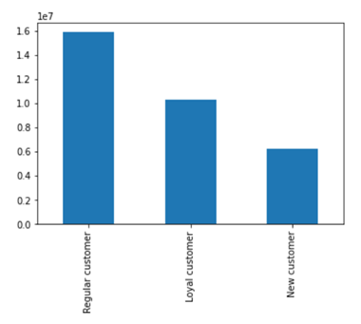 Loyalty Barchart

> Are there differences in ordering habits based on a customer’s loyalty status | Loya customers seem to order slightly later in the week, but order around the common afternoon-midday. Overwall the data supports that they order around the same time as the rest of the customer base. | 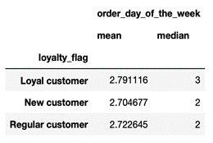 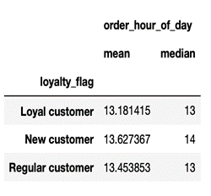

>Are there differences in ordering habits based on a customer’s region? | There is no notable difference between the regions, the data shows thjat they are all nearly identical in terms of order patterns. | 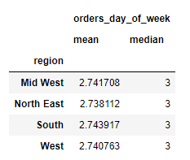 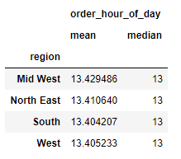

>Is there a connection between age and family status in terms of ordering habits? | As far as ordering days of the week, all family status's are nearly identical in terms of order numbers, and age doesn't seem to be too bg a factor in the days of the week as the average age is nearly identical on any day. | 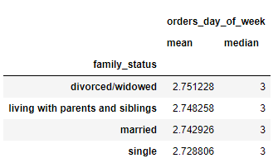 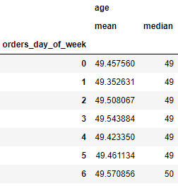

>What different classifications does the demographic information suggest? Age? Income? Certain types of goods? Family status? | Most classification that we can apply have minor changes to our data. There are cases of 1 point changes in the data but there are no large scale changes such as a region or profil type wildly out ordering another group of individuals. | 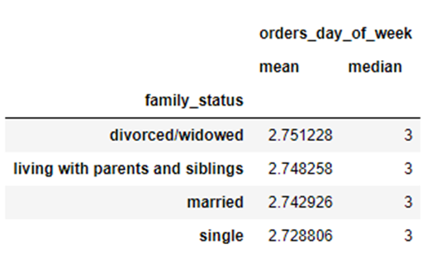 Stacked BarChart Income Level

>What differences can you find in ordering habits of different customer profiles? Consider the price of orders, the frequency of orders, the products customers are ordering, and anything else you can think of. | All departments fall under having departments: Produce, Dairy/Milk, and Beverages as clear winners. There are trends within the other profiles but they seem to be so neglectable they don’t promise to yield results to go on full marketing campaigns for these profiles.

 | Income_Level Trends:
 | High income families tend to spend less on goods like alcohol, Lower Income cusomters spend more on things like snacks.
 | Parent Category Trends
 | Parents that have two or more dependants make up more of the overall purchases, which makes sense, they have more mouths to feed.
 | Baby Shopper Trends:
 | Shoppers who purchase items for babies, they also tend to be the least likely buyer to buy bulked goods.
 | Pet Shopper Trends:
 | Pet Shoppers are the lowest count of profiled customer base, they do shop more frequently but they are so little in size their data size becomes negligible In the big picture.

